Blad1
Wick

WICK
drawing | product | sku | EAN-UCC | size | bulb | box size | box weight | RRP excl. VAT | RRP incl. VAT
 | Wick Brass | GP2043-B | 8718531273597 | Ø 11, H 26 (cm) | 1W LED | Ø 13, H 30 (cm) | 0.65kg | € 131.40 | € 159.00
 | Wick Aluminium | GP2043-AL | 8718531277670 | Ø 11, H 26 (cm) | 1W LED | Ø 13, H 30 (cm) | 0.65kg | € 131.40 | € 159.00
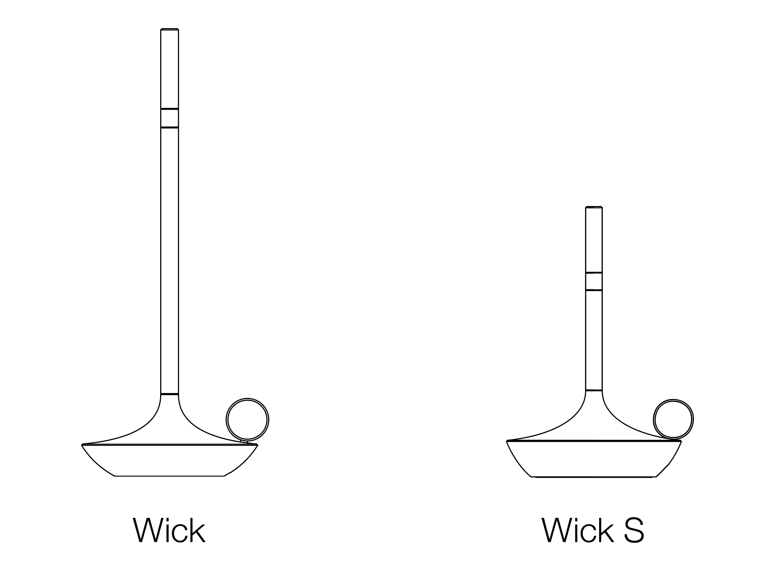
 | Wick Graphite | GP2043-G | 8718531274365 | Ø 11, H 26 (cm) | 1W LED | Ø 13, H 30 (cm) | 0.65kg | € 131.40 | € 159.00
 | Wick Black | GP2043-BLK | 8718531274990 | Ø 11, H 26 (cm) | 1W LED | Ø 13, H 30 (cm) | 0.65kg | € 131.40 | € 159.00
 | Wick Sage Green | GP2043-SG | 8718531275447 | Ø 11, H 26 (cm) | 1W LED | Ø 13, H 30 (cm) | 0.65kg | € 131.40 | € 159.00
 | Wick Mist Gray | GP2043-MG | 8718531276970 | Ø 11, H 26 (cm) | 1W LED | Ø 13, H 30 (cm) | 0.65kg | € 131.40 | € 159.00

 | Wick S Brass | GP2044-B | 8718531275362 | Ø 11, H 16,5 (cm) | 1W LED | Ø 13, H 30 (cm) | 0.30kg | € 123.14 | € 149.00
 | Wick S Aluminium | GP2044-AL | 8718531277687 | Ø 11, H 16,5 (cm) | 1W LED | Ø 13, H 30 (cm) | 0.30kg | € 123.14 | € 149.00
 | Wick S Graphite | GP2044-G | 8718531275379 | Ø 11, H 16,5 (cm) | 1W LED | Ø 13, H 30 (cm) | 0.30kg | € 123.14 | € 149.00
 | Wick S Black | GP2044-BLK | 8718531275386 | Ø 11, H 16,5 (cm) | 1W LED | Ø 13, H 30 (cm) | 0.30kg | € 123.14 | € 149.00
 | Wick S Sage Green | GP2044-SG | 8718531276987 | Ø 11, H 16,5 (cm) | 1W LED | Ø 13, H 30 (cm) | 0.30kg | € 123.14 | € 149.00
 | Wick S Mist Gray | GP2044-MG | 8718531276994 | Ø 11, H 16,5 (cm) | 1W LED | Ø 13, H 30 (cm) | 0.30kg | € 123.14 | € 149.00
Wick PRO
 | Wick PRO Brass | GP2045-B | 8718531275485 | Ø 11, H 26 (cm) | 1W LED | Ø 13, H 30 (cm) | 0.65kg | € 156.20 | € 189.00
 | Wick PRO Aluminium | GP2045-AL | 8718531277694 | Ø 11, H 26 (cm) | 1W LED | Ø 13, H 30 (cm) | 0.65kg | € 156.20 | € 189.00
 | Wick PRO Graphite | GP2045-G | 8718531275492 | Ø 11, H 26 (cm) | 1W LED | Ø 13, H 30 (cm) | 0.65kg | € 156.20 | € 189.00
 | Wick PRO Black | GP2045-BLK | 8718531275508 | Ø 11, H 26 (cm) | 1W LED | Ø 13, H 30 (cm) | 0.65kg | € 156.20 | € 189.00
 | Wick PRO Sage Green | GP2045-SG | 8718531275515 | Ø 11, H 26 (cm) | 1W LED | Ø 13, H 30 (cm) | 0.65kg | € 156.20 | € 189.00
 | Wick PRO Mist Gray | GP2045-MG | 8718531277489 | Ø 11, H 26 (cm) | 1W LED | Ø 13, H 30 (cm) | 0.65kg | € 156.20 | € 189.00

 | Wick S PRO Brass | GP2046-B | 8718531275560 | Ø 11, H 16,5 (cm) | 1W LED | Ø 13, H 30 (cm) | 0.30kg | € 147.93 | € 179.00
 | Wick S PRO Aluminium | GP2046-AL | 8718531277700 | Ø 11, H 16,5 (cm) | 1W LED | Ø 13, H 30 (cm) | 0.30kg | € 147.93 | € 179.00
 | Wick S PRO Graphite | GP2046-G | 8718531275577 | Ø 11, H 16,5 (cm) | 1W LED | Ø 13, H 30 (cm) | 0.30kg | € 147.93 | € 179.00
 | Wick S PRO Black | GP2046-BLK | 8718531275584 | Ø 11, H 16,5 (cm) | 1W LED | Ø 13, H 30 (cm) | 0.30kg | € 147.93 | € 179.00
 | Wick S PRO Sage Green | GP2046-SG | 8718531275591 | Ø 11, H 16,5 (cm) | 1W LED | Ø 13, H 30 (cm) | 0.30kg | € 147.93 | € 179.00
 | Wick S PRO Mist Gray | GP2046-MG | 8718531277496 | Ø 11, H 16,5 (cm) | 1W LED | Ø 13, H 30 (cm) | 0.30kg | € 147.93 | € 179.00
Accessories
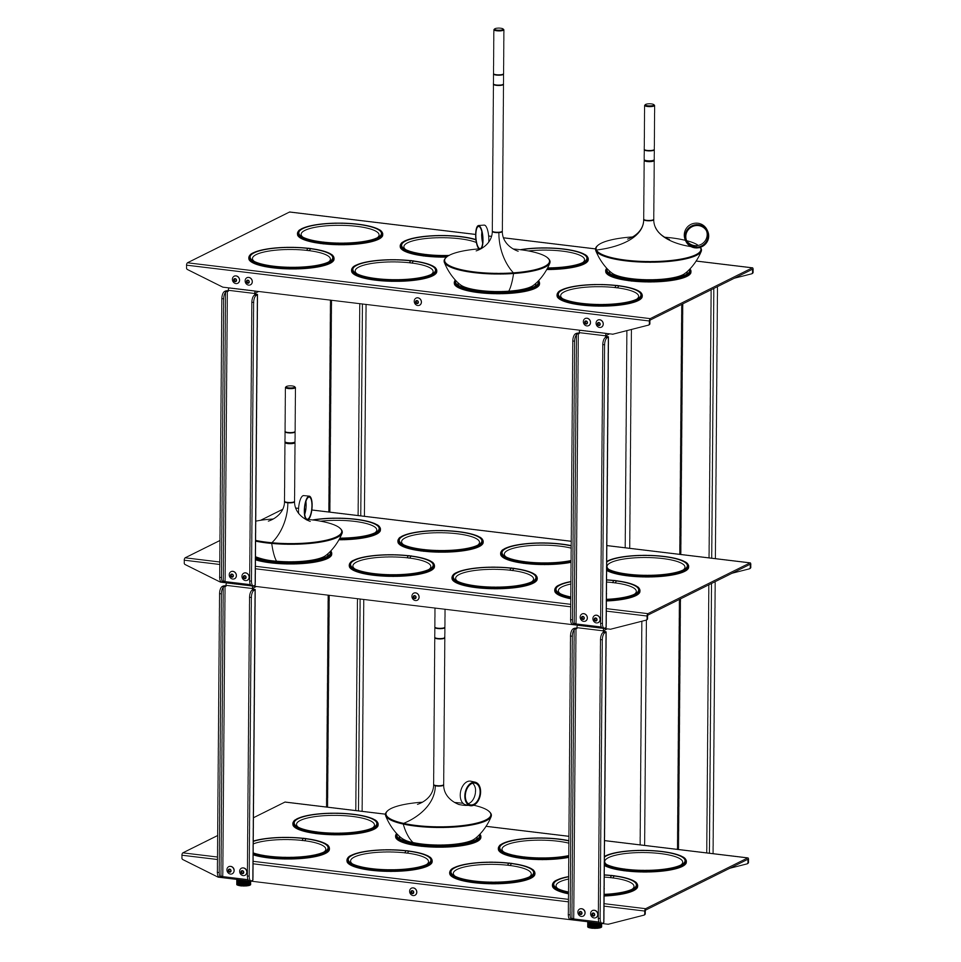
 | Wick PRO Remote Control - Black | GP-2098-RC-BLK | 8718531277465 | Ø 6 x H 1 (cm) | N/A | Ø 8.6 x H 1.1 (cm) | 0.10kg | € 32.23 | € 39.00
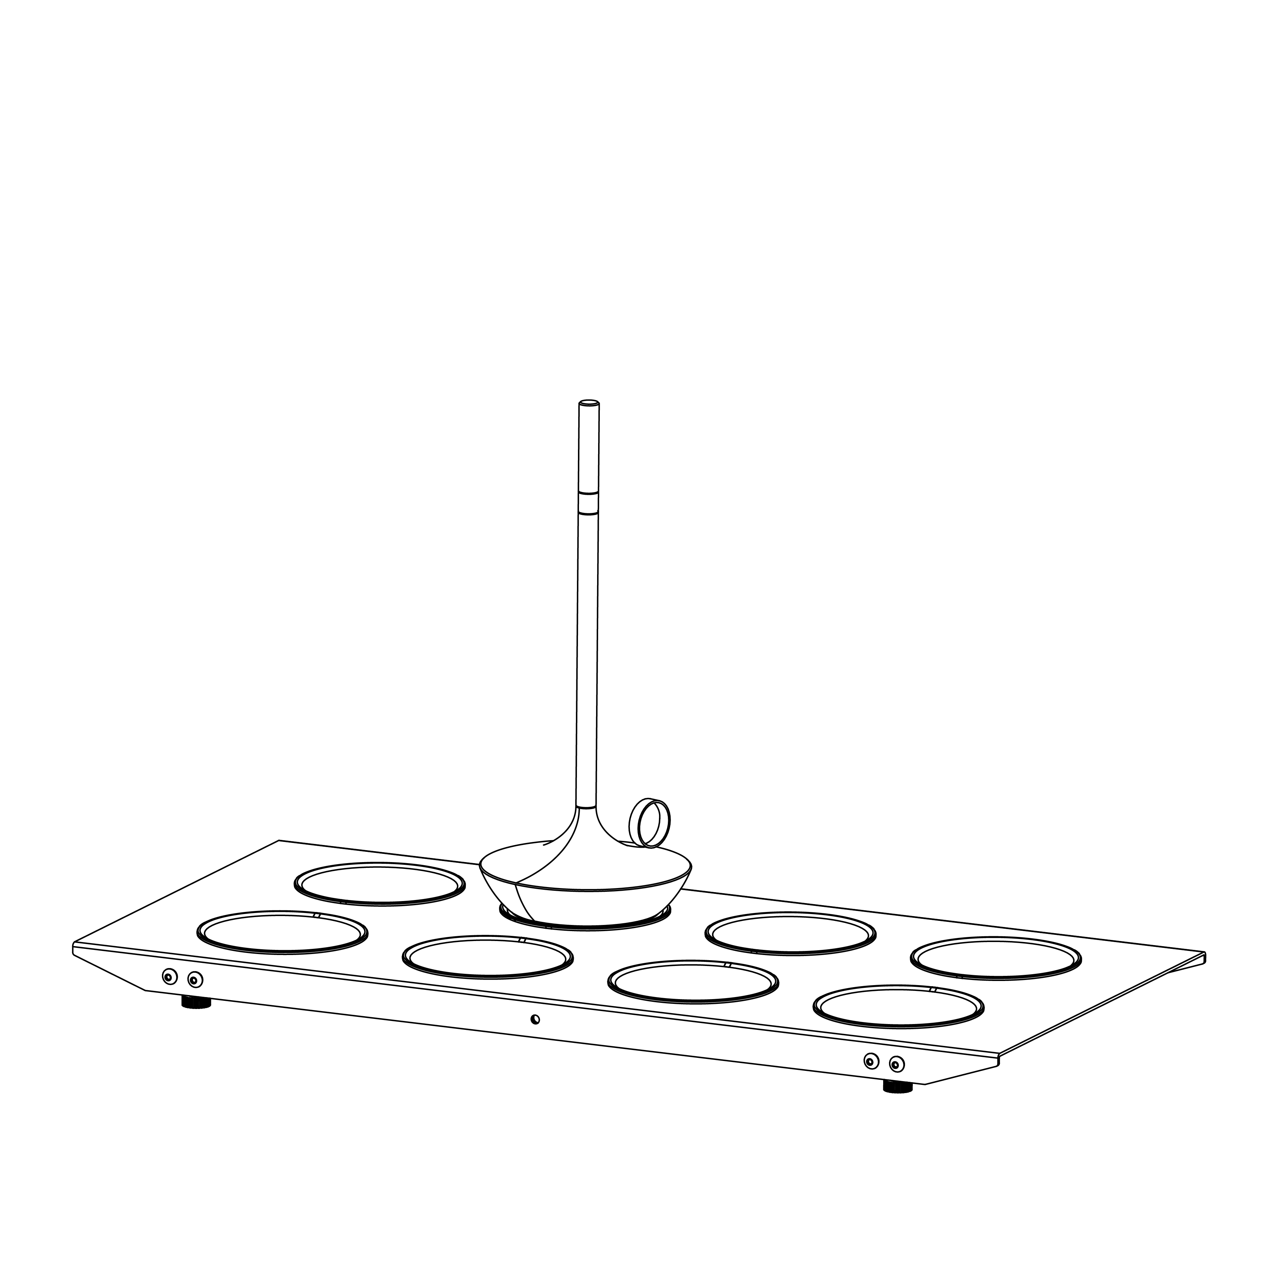
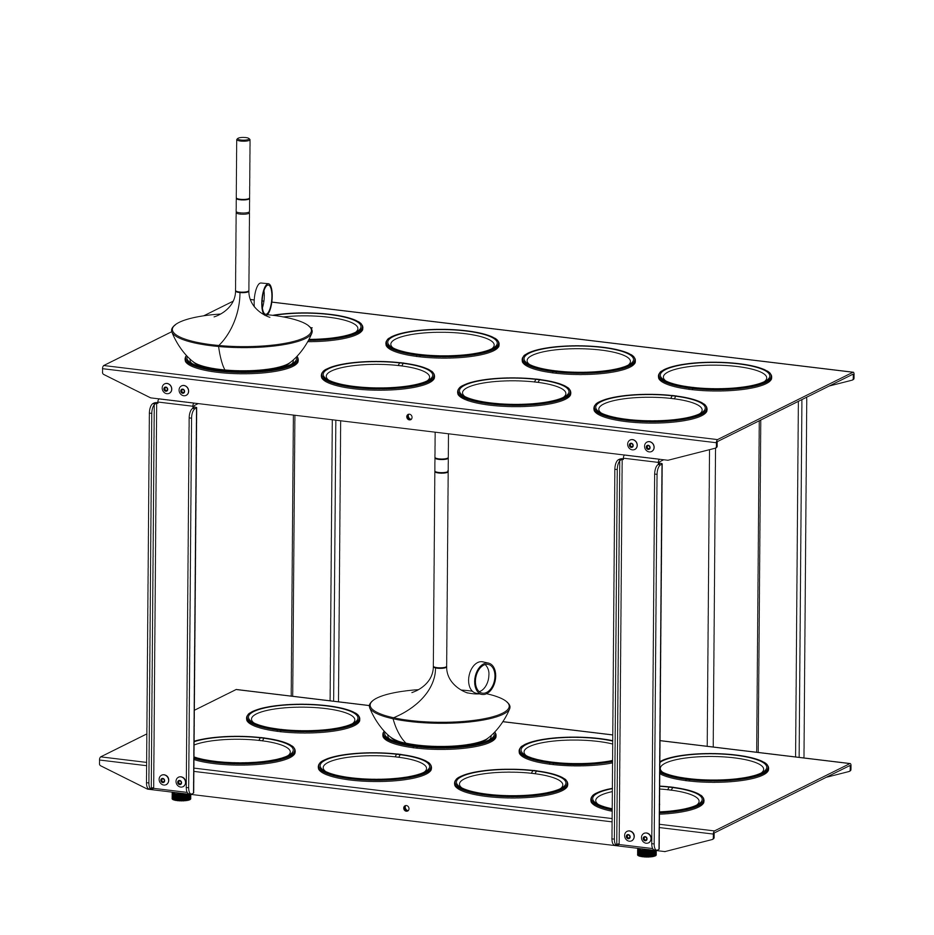
 | Wick PRO Wireless Charging Pad Single - Black | GP-2099-CP-BLK | 8718531277472 | Ø 8.5 x H 0.9 (cm) | N/A | Ø 11.1 x H 1.1 (cm) | 0.10kg | € 23.97 | € 29.00
 | Wick PRO Wireless Charging Tray 8 pcs - Black | GP-2099-8 | 8718531278295 | L 51 x B 24 x H 2 (cm) | N/A | L 53 x B 26 x H 2.4 (cm) | 0.75kg | € 239.67 | € 290.00
 | Wick PRO Wireless Charging Tray 16 pcs - Black | GP-2099-16 | 8718531278394 | L 51 x B 24 x H 34 (cm) | N/A | L 53 x B 26 x H 4.8 (cm) | 1.5kg | € 479.34 | € 580.00
 | Wick PRO Wireless Charging Tray 24 pcs - Black | GP-2099-24 | 8718531279216 | L 51 x B 24 x H 66 (cm) | N/A | L 53 x B 26 x H 7 (cm) | 2.25kg | € 719.01 | € 870.00

